Syllabus
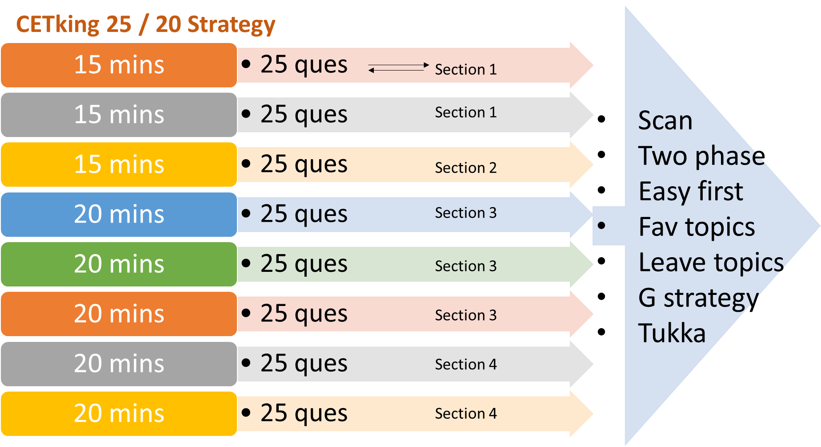
Cetking 2.0: 30 days Revenge!
Zero to Hero 99%iler Plan!
Date | Day | Quant | Logic | Verbal | Abstract | Sectional Test | Mock Test
2026-03-06 | 30 | Linear Equations | Coding-Decoding | Short RC | Series | LR | Mock
2026-03-07 | 29 | HCF & LCM | Blood Relations | Long RC | Odd One Out | Quant | Mock
2026-03-08 | 28 | Sum of Numbers | Direction Sense | Para Jumbles | Pattern Cutting Folding | VA, Abstract | Mock
2026-03-09 | 27 | Profit and Loss | Syllogism | Synonyms | Figure Counting | LR | Mock
2026-03-10 | 26 | A&B time work | Input-Output | Fill in blanks | Analogy | Quant | Mock
2026-03-11 | 25 | Mixtures & Alligations | Number Series | Sentence Correction | Water Mirror Image | VA, Abstract | Mock
2026-03-12 | 24 | Mensuration 3D | Venn Diagram | Idioms & Phrases | Cubes & Dice | LR | Mock
2026-03-13 | 23 | Ratio & Proportion | Order & Ranking | Error Detection | Pattern Completion | Quant | Mock
2026-03-14 | 22 | Boats and Streams | Alphabet Test | Parts of Speech | Venn Diagram | VA, Abstract | Mock
2026-03-15 | 21 | AP GP Progressions | Alphanumeric Series | Analogies | Series | LR | Mock
2026-03-16 | 20 | Probability | Analogy | Antonyms | Odd One Out | Quant | Mock
2026-03-17 | 19 | PnC | Classification | Spelling | Pattern Cutting Folding | VA, Abstract | Mock
2026-03-18 | 18 | Averages | Cubes & Dice | Odd Man Out | Figure Counting | LR | Mock
2026-03-19 | 17 | Trains TSD | Decision Making | Short RC | Analogy | Quant | Mock
2026-03-20 | 16 | Mensuration 2D | Clocks & Calendars | Long RC | Water Mirror Image | VA, Abstract | Mock
2026-03-21 | 15 | Triangles | Math Operations | Para Jumbles | Cubes & Dice | LR | Mock
2026-03-22 | 14 | Percentages | Letter Analogy Classific | Synonyms | Pattern Completion | Quant | Mock
2026-03-23 | 13 | Pipe Cistern | Data Sufficiency | Fill in blanks | Venn Diagram | VA, Abstract | Mock
2026-03-24 | 12 | DI Pie Charts | Matrix Arrangement | Sentence Correction | Series | LR | Mock
2026-03-25 | 11 | SI & CI | Linear Circular | Idioms & Phrases | Odd One Out | Quant | Mock
2026-03-26 | 10 | Roads & Races | Comparison | Error Detection | Pattern Cutting Folding | VA, Abstract | Mock
2026-03-27 | 9 | Simplification | Floor Box Schedule | Parts of Speech | Figure Counting | LR | Mock
2026-03-28 | 8 | Partnership | Parallel Arrangement | Analogies | Analogy | Quant | Mock
2026-03-29 | 7 | ManDays | Assumptions | Antonyms | Water Mirror Image | VA, Abstract | Mock
2026-03-30 | 6 | Remainder Theorem | Assertion & Reason | Spelling | Cubes & Dice | LR | Mock
2026-03-31 | 5 | Algebric Identities | Conclusions | Odd Man Out | Pattern Completion | Quant | Mock
2026-04-01 | 4 | Divisibility Rules | Cause and Effect | Revision | Venn Diagram | VA, Abstract | Mock
2026-04-02 | 3 | Unit Digit | Course of Action | Revision | Revision | LR | Mock
2026-04-03 | 2 | Line Graphs | Revision | Revision | Revision | Revision | No Mock
2026-04-04 | 1 | Surds and Indices | Revision | Revision | Revision | Revision | No Mock
2026-04-05 | 0 | Heights & Distances | Revision | Revision | Revision | Revision | No Mock
2026-04-06 | 0 | CET 1 Dday!
2026-05-09 |  | CET 2 Dday!
Contact Us: Cetking.com/contact | Cetking.in/Shop/ Thane – 09930028086, Vashi – 09820377380, Dadar – 09167917984, Borivali – 082919 84030, Pune – 09167690141, Online - 09594938931

Ideal Scores for 80 100 120 140 marks
Section | Q | Time | 80 | 100 | 120 | 140
Verbal | 50 | 30 | 20 | 25 | 30 | 35
Abstract | 25 | 15 | 10 | 15 | 20 | 20
Logic | 75 | 65 | 35 | 40 | 45 | 50
Quant | 50 | 40 | 15 | 20 | 25 | 35
 | 200 | 150

